task list
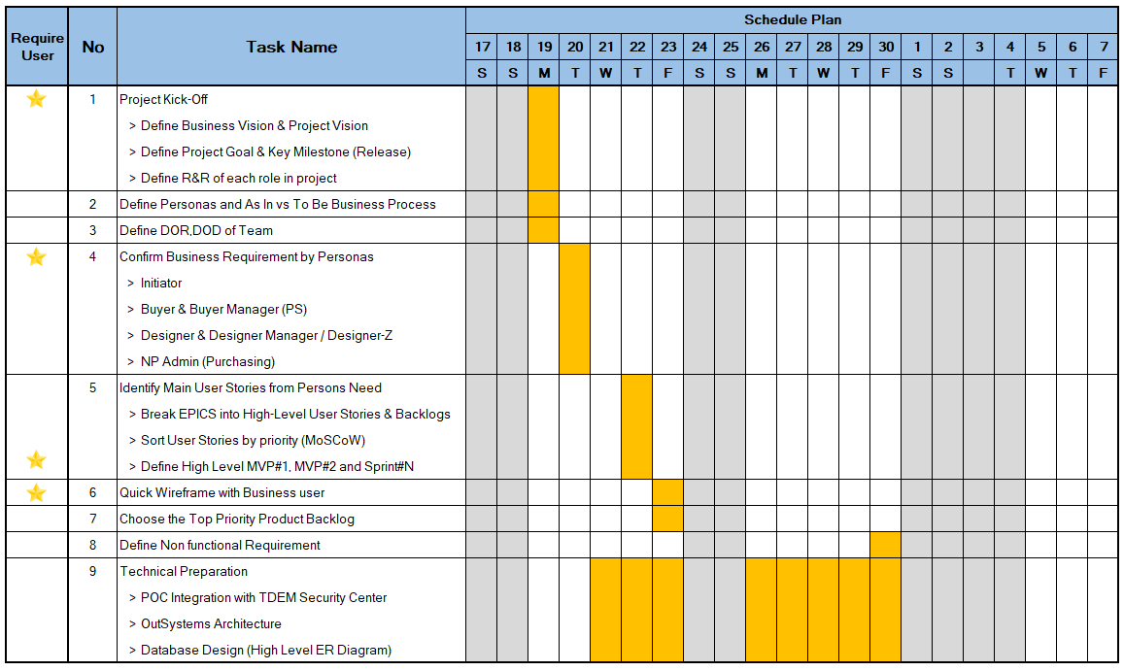
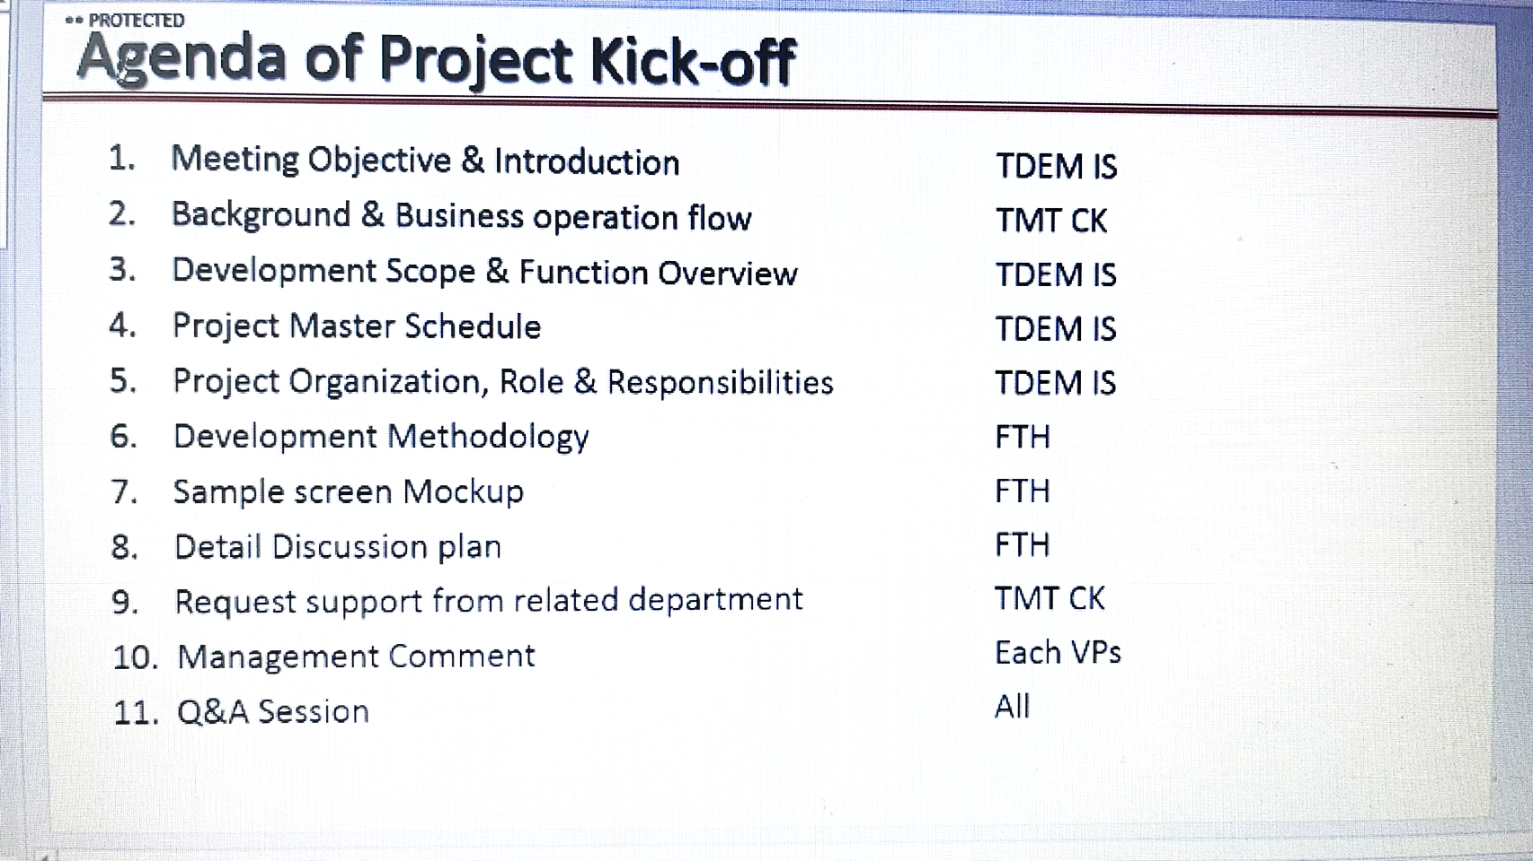
FTR Task Plan

 |  |  |  |  |  | Oct |  |  |  |  |  |  |  |  |  |  |  |  |  |  |  | Nov
No. | Task | Target Date | PIC |  | Remark | 16 | 17 | 18 | 19 | 20 | 21 | 22 | 23 | 24 | 25 | 26 | 27 | 28 | 29 | 30 | 31 | 1 | 2 | 3 | 4 | 5 | 6 | 7 | 8 | 9 | 10 | 11 | 12 | 13 | 14 | 15 | 16 | 17 | 18 | 19 | 20 | 21 | 22 | 23 | 24 | 25 | 26 | 27 | 28 | 29 | 30
1 | List team member for Jira account |  | FTH
2 | Jira account creation |  | TDEM
3 | Define Project owner/Key user/IS |  | TDEM
4 | Submit team info for VPN and network access |  | FTH
5 | Provide VPN and network access for team |  | TDEM
6 | Infra handover |  | TDEM
7 | Kick off (FTH session) - Dev methodology - agile activities sharing - organization |  | FTH/TDEM | U
8 | Define business process As IS vs To Be |  | TDEM / FTH | U | As IS business process by TDEM
9 | Define Personas |  | TDEM | U | Define user role in application
10 | Define DOR, DOD |  | FTH/TDEM | U
11 | Confirm business requirement |  | FTH/TDEM | U | sample dashboard, report & summary report
12 | Define interface type |  | FTH/TDEM | U
13 | Identify main user stories from Personas need - break EPICS into high-level - sort user stories by priority (MoSCoW) - Define high level sprint#1, sprint#2 and SprintN |  | FTH/TDEM | U
14 | Quick wireframe with business user |  | FTH | U
15 | Initial backlog/sizing walkthrough |  | TDEM / FTH | U
16 | Choose top priority product backlog |  | TDEM / FTH | U
17 | Top priority user stories creation & grooming |  |  | U
18 | Dev environment network checking |  | FTH
19 | Technical preparation - Setup and prepare dev server - POC - DB design |  | FTH
20
21
22
23
 | sprint plan
 | git lab account |  | Jimmy
 | management doc
 | biweekly - sprint weekly report

 | DR - sprint 5 (release 1 CRR project)
 | Performance test

DoR
DoR |  | DoD
No | Detail | No | Detail
1 | INVEST principles are met: Independent, Negotiable, Valuable, Estimatable, Small & Testable | 1 | All code is developed and published on dev environment
2 | Is mapped as a step in business process diagram | 2 | Unit test passed and confirmed by TL
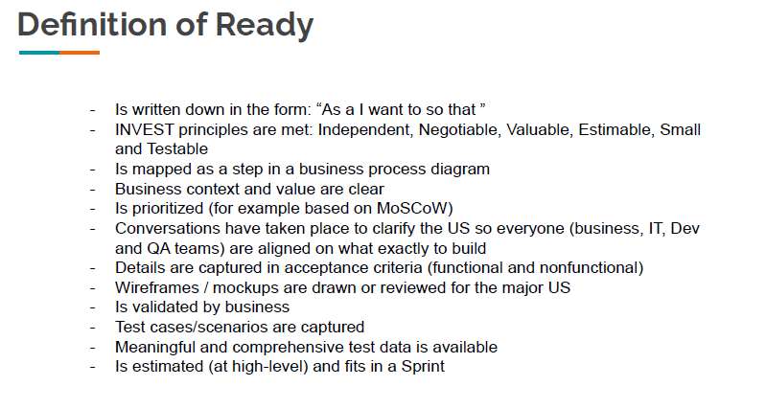
3 | Is prioritized based on MoSCow | 3 | Acceptance criteria met
4 | Is confirmed and clarify with user then everyone are aligned on what exactly to build | 4 | Product Owner accepts the User Story.
5 | There must be at least one accptance criteria in user stories. | 5 | demo
6 | The User Story is not blocked from the beginning by any internal or external dependency. | 6
7 | Expected Demo for the User Story when appropriate is understood and commited by the team | 7
8 | Test case/scenarios are defined | 8
9 | Meaningful and comprehensive test data is available | 9
10 |  | 10
11 |  | 11
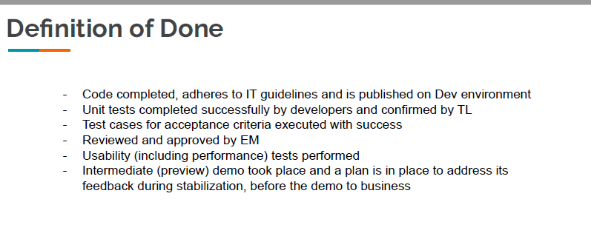
12 |  | 12
13 |  | 13
14 |  | 14
15 |  | 15
16 |  | 16
17 |  | 17
18 |  | 18

DOR | screen design
 | report layout
 | batch interface format
 | test data if need

DOD | test result with no defect

note
